mann_kendall
 | PLEASE ONLY MODIFY TREND PAGE
 | Mann-Kendall rank correlation statistics

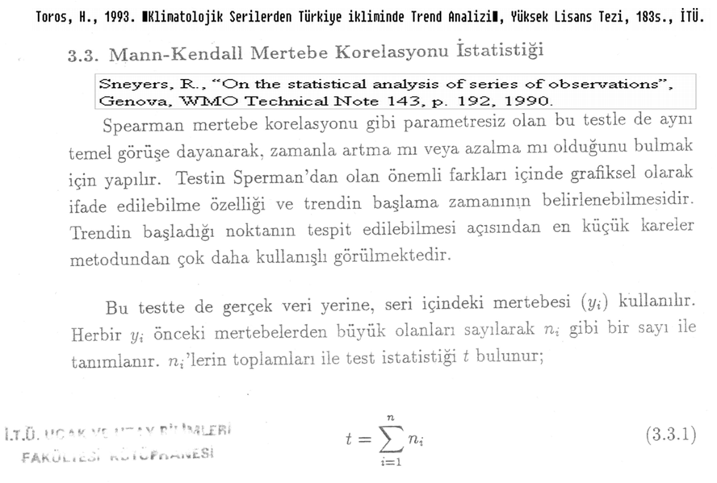 | The non-parametric MK statistical test has been used to assess the significance of trend in both precipitation time series. MK tests are non-parametric tests for the detection of trend in a time series. These tests are widely used in environmental science, because they are simple, robust and can cope with missing values and values below a detection limit. MK rank correlation statistics For each element xi the number of ni elements xj preceding it (i > j) is calculated so that rank(xi) > rank(xj). The test statistic is calculated:

 | The distribution function of t is assumed to be asymptotically Gaussian with:

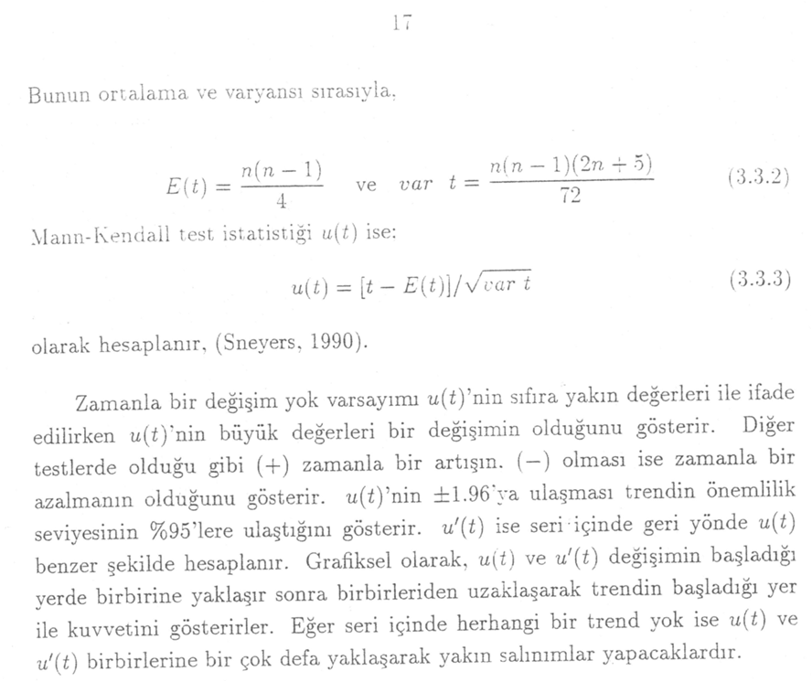
 | and

 | Two-sided. H0 is rejected for high values of |u(t)|:

 | Climate change can be detected by the Kendall coefficient t (Mann test) and when a time series shows a significant trend, the period from which the trend is demonstrated can be obtained effectively by this test, (Sneyers, 1990).

 | Climate change can be detected by the Kendall coefficient t (Mann test) and when a time series shows a significant trend, the period from which the trend is demonstrated can be obtained effectively by this test, (Sneyers, 1990).

 | For More information;
 | Toros H, 2012. Spatio-temporal precipitation change assessments over Turkey. International Journal of Climatology, 32(9),1310-1325, DOI: 10.1002/joc.2353.
 | Toros H, 2012. Spatio-temporal variation of daily extreme temperatures over Turkey. International Journal of Climatology, 32(7),1047-1055.

trend
Yillar | veri | u(ti) | u'(ti)
1961 | -450.6 | 0.00 | -1.39 | Average | 0.0
1962 | 1185.0 | 1.00 | -1.60 | Trend | -1.39 | Mann-Kendall rank correlation statistics
1963 | -85.8 | 0.52 | -1.32 | There is no increase or decrease with %95 significant level in time series
1964 | -712.5 | -0.68 | -1.39
1965 | 1284.4 | 0.49 | -1.70
1966 | 1447.9 | 1.32 | -1.37
1967 | -261.4 | 0.75 | -1.01
1968 | 946.0 | 0.74 | -1.15
1969 | 1613.8 | 1.46 | -0.84
1970 | -182.2 | 0.98 | -0.42
1971 | 357.5 | 0.86 | -0.47
1972 | -1161.3 | 0.00 | -0.21
 | u(ti) | u'(ti)
1961 | 0.00 | -1.39
1962 | 1.00 | -1.60
1963 | 0.52 | -1.32
1964 | -0.68 | -1.39
1965 | 0.49 | -1.70
1966 | 1.32 | -1.37
1967 | 0.75 | -1.01
1968 | 0.74 | -1.15
1969 | 1.46 | -0.84
1970 | 0.98 | -0.42
1971 | 0.86 | -0.47
1972 | 0.00 | -0.21
1973 | -0.61 | -0.60
1974 | -0.49 | -0.95
1975 | -0.25 | -0.82
1976 | -0.27 | -0.53
1977 | -0.82 | -0.45
1978 | -0.42 | -0.83
1979 | -0.03 | -0.45
1980 | -0.06 | 0.00
1981 | 0.54 | 0.16
1982 | 0.20 | 0.73
1983 | 0.08 | 0.64
1984 | 0.00 | 0.75
1985 | -0.37 | 0.89
1986 | -0.55 | 0.77
1987 | -0.90 | 0.87
1988 | -0.71 | 0.66
1989 | -1.20 | 0.97
1990 | -1.62 | 0.52
1991 | -1.89 | 0.04
1992 | -2.30 | -0.41
1993 | -2.42 | -1.08
1994 | -2.18 | -1.73
1995 | -2.03 | -1.81
1996 | -1.72 | -2.07
1997 | -1.46 | -1.92
1998 | -1.04 | -1.95
1999 | -1.15 | -1.34
2000 | -1.47 | -1.67
2001 | -1.17 | -2.72
2002 | -0.96 | -2.25
2003 | -0.70 | -2.07
2004 | -0.83 | -1.47
2005 | -0.74 | -2.04
2006 | -0.82 | -1.57
2007 | -1.00 | -1.00
2008 | -1.39 | 0.00
1973 | -863.3 | -0.61 | -0.60
1974 | 222.2 | -0.49 | -0.95
1975 | 527.7 | -0.25 | -0.82
1976 | 101.3 | -0.27 | -0.53
1977 | -885.7 | -0.82 | -0.45
1978 | 1027.7 | -0.42 | -0.83
1979 | 1077.8 | -0.03 | -0.45
1980 | 114.8 | -0.06 | 0.00
1981 | 1905.6 | 0.54 | 0.16
1982 | -371.6 | 0.20 | 0.73
1983 | -80.8 | 0.08 | 0.64
1984 | 11.2 | 0.00 | 0.75
1985 | -520.3 | -0.37 | 0.89
1986 | -235.8 | -0.55 | 0.77
1987 | -636.0 | -0.90 | 0.87
1988 | 236.1 | -0.71 | 0.66
1989 | -1404.0 | -1.20 | 0.97
1990 | -1355.4 | -1.62 | 0.52
1991 | -829.8 | -1.89 | 0.04
1992 | -1691.7 | -2.30 | -0.41
1993 | -532.1 | -2.42 | -1.08
1994 | 212.6 | -2.18 | -1.73
1995 | 73.7 | -2.03 | -1.81
1996 | 397.9 | -1.72 | -2.07
1997 | 266.1 | -1.46 | -1.92
1998 | 1253.8 | -1.04 | -1.95
1999 | -297.5 | -1.15 | -1.34
2000 | -979.1 | -1.47 | -1.67
2001 | 904.3 | -1.17 | -2.72
2002 | 337.1 | -0.96 | -2.25
2003 | 553.6 | -0.70 | -2.07
2004 | -309.9 | -0.83 | -1.47
2005 | 199.5 | -0.74 | -2.04
2006 | -241.2 | -0.82 | -1.57
2007 | -466.8 | -1.00 | -1.00
2008 | -1702.4 | -1.39 | 0.00

